Individual & Top 10 exposures
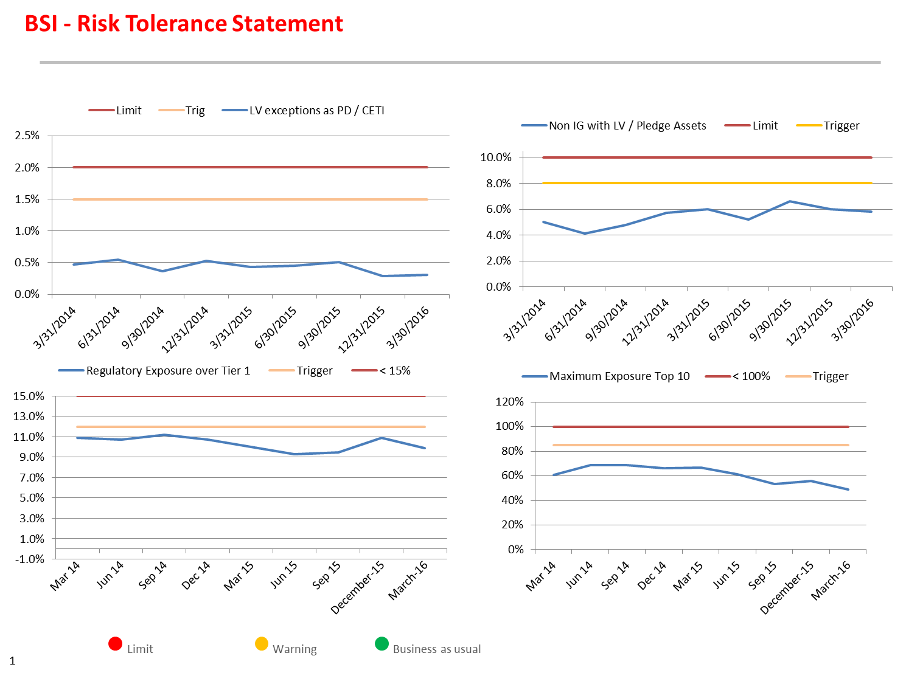
Individual & Top 10 exposure details (from ERMC slide pack)

LCR, MVE, NII, SFR
LCR
 | Column1 | Column2

Month | Ratio

Jan | 4.0941159653
Feb | 5.1313186765
Mar | 3.5873353464
Apr | 4.0188
May | 4.9978
Jun | 3.3001627341
Jul | 2.6362486968
Aug | 2.533410232
Sep | 2.6334292606
Oct | 2.489
Nov | 2.7271109611
Dec '15 | 2.2487430454
Jan | 2.3125991505
Feb | 2.3056
Mar | 2.3598067094

NII

Month | NII +100bps (%) | NII -100bps (%)
Jan | 16.01% | -4.62%
Feb | 16.39% | -4.36%
Mar | 15.80% | -4.55%
Apr | 13.60% | -4.45%
May | 15.43% | -4.41%
Jun | 14.78% | -4.24%
Jul | 15.39% | -4.77%
Aug | 14.80% | -5.13%
Sep | 14.90% | -4.82%
Oct | 15.01% | -5.17%
Nov | 17.05% | -7.50%
Dec 2015 | 14.77% | -8.92%
Jan | 16.01% | -9.66%
Feb | 15.76% | -10.05%
Mar | 15.81% | -9.46%

MVE

Month | MVE +100bps (%) | MVE -100bps (%)
Jan | 1.16% | -1.20%
Feb | 1.98% | -1.93%
Mar | 1.95% | -1.68%
Apr | 2.19% | -1.97%
May | 2.09% | -1.92%
Jun | 1.95% | -1.96%
Jul | 2.00% | -1.95%
Aug | 1.69% | -1.67%
Sep | 1.90% | -1.38%
Oct | 1.78% | -1.58%
Nov | 2.09% | -2.22%
Dec 2015 | 1.74% | -1.81%
Jan | 1.80% | -1.43%
Feb | 1.64% | -1.25%
Mar | 2.07% | -1.65%

SRF

Month | Ratio
Jan | 176.48%
Feb | 169.55%
Mar | 171.28%
Apr | 179.36%
May | 177.24%
Jun | 175.61%
Jul | 178.08%
Aug | 167.95%
Sep | 174.53%
Oct | 165.43%
Nov | 190.76%
Dec '15 | 151.51%
Jan | 153.72%
Feb | 156.89%
Mar | 168.35%

Op risk events
 |  |  |  |  | Amount by date of occurrence |  |  | Count by date of occurrence
Series | Sum | Count | Month | Date | Month | 2014-2015 | 2015-2016 | Month | 2014-2015 | 2015-2016
2014-2015 | 16,122.23 | 6.00 | May. | 2014-05-01 | May. | 16,122.23 | 19,255.33 | May. | 6 | 5
2014-2015 | 15,176.93 | 5.92 | Jun. | 2014-06-01 | Jun. | 15,176.93 | 18,776.84 | Jun. | 6 | 5
2014-2015 | 15,076.40 | 6.00 | Jul. | 2014-07-01 | Jul. | 15,076.40 | 19,435.65 | Jul. | 6 | 4
2014-2015 | 18,782.56 | 5.92 | Aug. | 2014-08-01 | Aug. | 18,782.56 | 14,938.16 | Aug. | 6 | 4
2014-2015 | 15,064.53 | 5.08 | Sep. | 2014-09-01 | Sep. | 15,064.53 | 13,817.25 | Sep. | 5 | 4
2014-2015 | 14,797.24 | 4.50 | Oct. | 2014-10-01 | Oct. | 14,797.24 | 14,193.37 | Oct. | 5 | 5
2014-2015 | 14,209.21 | 4.58 | Nov. | 2014-11-01 | Nov. | 14,209.21 | 16,283.32 | Nov. | 5 | 4
2014-2015 | 17,561.13 | 4.58 | Dec. | 2014-12-01 | Dec. | 17,561.13 | 39,507.89 | Dec. | 5 | 5
2014-2015 | 17,397.88 | 4.58 | Jan. | 2015-01-01 | Jan. | 17,397.88 | 40,675.46 | Jan. | 5 | 5
2015-2016 | 18,051.66 | 4.67 | Feb. | 2015-02-01 | Feb. | 18,051.66 | 40,177.41 | Feb. | 5 | 4
2015-2016 | 18,291.36 | 4.75 | Mar. | 2015-03-01 | Mar. | 18,291.36 | 39,960.14 | Mar. | 5 | 4
2015-2016 | 18,484.02 | 4.58 | Apr. | 2015-04-01 | Apr. | 18,484.02 | 39,199.79 | Apr. | 5 | 4
2015-2016 | 19,255.33 | 4.75 | May. | 2015-05-01
2015-2016 | 18,776.84 | 4.50 | Jun. | 2015-06-01
2015-2016 | 19,435.65 | 4.42 | Jul. | 2015-07-01
2015-2016 | 14,938.16 | 4.33 | Aug. | 2015-08-01
2015-2016 | 13,817.25 | 4.33 | Sep. | 2015-09-01
2015-2016 | 14,193.37 | 4.58 | Oct. | 2015-10-01
2015-2016 | 16,283.32 | 4.42 | Nov. | 2015-11-01
2015-2016 | 39,507.89 | 4.50 | Dec. | 2015-12-01
2015-2016 | 40,675.46 | 4.75 | Jan. | 2016-01-01
2015-2016 | 40,177.41 | 4.42 | Feb. | 2016-02-01
2015-2016 | 39,960.14 | 4.08 | Mar. | 2016-03-01
2015-2016 | 39,199.79 | 4.17 | Apr. | 2016-04-01
BSI Event Amounts
BSI Number of Events

